SurveyOverview
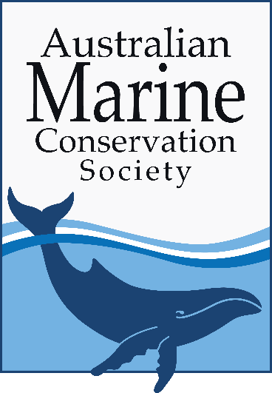

 |  |  | Supermarket Plastic Packaging Survey 2023
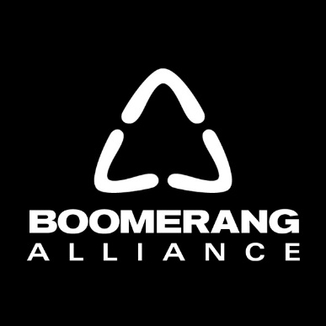

 |  |  |  | 2021/22 Financial Year

The Australian Marine Conservation Society (AMCS) and the Boomerang Alliance are conducting a survey to review the plastic packaging on supermarket shelves in Australia. The purpose of the survey is to:
Collect data to track and communicate the state of plastic packaging in Australian supermarkets
Showcase best practice examples and ambitious reduction targets, and highlight areas where further improvement and innovation is needed
Track progress towards national plastics targets and policy outcomes

Please review the 'definitions' tab for further information prior to answering the survey questions.

In 2023, this survey is being sent to 4 of the largest supermarkets by market share. Results from this survey will be used to prepare a publicly-available report to demonstrate to consumers the state of plastic packaging in Australia's supermarkets, and their commitments to reduce their plastic footprint.

The survey covers the following areas and associated category weighting:
1 | Transparency | 10%
2 | Plastic footprint reduction | 40%
3 | Reusables | 20%
4 | Recycling/recycled content | 20%
5 | Policy, planning, governance | 10%

Please return this completed survey by Friday 2nd June 2023

Please direct any questions to the Australian Marine Conservation Society's Research & Policy Officer at tarajones@amcs.org.au

